DASHBOAD (SALES ANAYTICS)
 | SALES REPORT

SALES BY REGION |  | SCATTER UNITS SOLD AND PROFIT |  | SCATTER UNITS SOLD AND PROFIT |  | UNITS SOLD AND SUPPLIES
Row Labels | TOTAL | UNITS SOLD | TOTAL POFIT | UNITS SOLD | TOTAL PROFIT | Row Labels | UNITS SOLD | SUPPLIES
Central | 11139 | 50 | 1249 | 50 | 17% | Binder | 722 | 173
East | 6002 | 74 | 1183 | 74 | 16% | Desk | 10 | 525
West | 2487 | 81 | 1619 | 81 | 22% | Pen | 278 | 56
Grand Total | 19628 | 87 | 1305 | 87 | 18% | Pen Set | 395 | 83
 |  | 94 | 1879 | 94 | 26% | Pencil | 716 | 36
 |  | Grand Total | 7236 | Grand Total | 100% | Grand Total | 2121 | 873
SALES BY REGION
UNITS SOLD AND POFIT
UNITS SOLD AND SUPPLIES

DASHBOAD(COVID19)
COVID - 19 DATA !!
TOTAL CASES
1,267,658
POSITIVE 239,009
DEATHS 5,784
DISCHARGED 1022865
TOTAL CASES
 | Total
FL | 77296
IL | 43656
LA | 51086
MA | 56608
NJ | 59110
NY | 238965
OH | 34918
PA | 54714
TX | 50679
WA | 74798
DEATHS
 | Total
CA | 203
FL | 128
GA | 163
IL | 157
LA | 310
MA | 154
MI | 417
NJ | 537
NY | 2373
WA | 247
TOTAL CASES
Highest |  | Least
States | Cases | States | Cases
FL | 77296 | AS | 20
MA | 56608 | GU | 524
NJ | 59110 | MP | 21
NY | 238965 | PR | 1920
WA | 74798 | VI | 182

POSITIVE
Highest |  | Least
States | Positive | States | Positive
CA | 9191 | AK | 143
LA | 9150 | AS | 0
MI | 10791 | GU | 82
NJ | 25590 | MP | 8
 | TOTAL CASES | POSITIVE | DEATHS
AK | 5022 | 143 | 3
AL | 8736 | 1233 | 32
AR | 8523 | 643 | 12
AS | 20 | 0 | 0
AZ | 22709 | 1598 | 32
CA | 33000 | 9191 | 203
CO | 18645 | 3342 | 80
CT | 18300 | 3824 | 112
DC | 5070 | 653 | 12
DE | 4959 | 393 | 12
FL | 77296 | 8010 | 128
GA | 22957 | 5348 | 163
GU | 524 | 82 | 3
HI | 10464 | 258 | 1
IA | 8668 | 614 | 11
ID | 7282 | 669 | 9
IL | 43656 | 7695 | 157
IN | 16285 | 3039 | 78
KS | 6611 | 552 | 13
KY | 7900 | 680 | 20
LA | 51086 | 9150 | 310
MA | 56608 | 8966 | 154
MD | 21221 | 2331 | 36
ME | 6464 | 376 | 7
MI | 22684 | 10791 | 417
MN | 22394 | 742 | 18
MO | 19683 | 1834 | 19
MP | 21 | 8 | 1
MS | 5930 | 1177 | 26
MT | 5320 | 227 | 5
NC | 28679 | 1857 | 16
ND | 4980 | 159 | 3
NE | 4224 | 246 | 5
NH | 6493 | 415 | 4
NJ | 59110 | 25590 | 537
NM | 14011 | 363 | 6
NV | 14046 | 1458 | 38
NY | 238965 | 92381 | 2373
OH | 34918 | 2902 | 81
OK | 2144 | 879 | 34
OR | 14868 | 736 | 19
PA | 54714 | 7016 | 90
PR | 1920 | 316 | 12
RI | 5069 | 657 | 12
SC | 6995 | 1554 | 31
SD | 4382 | 165 | 2
TN | 34611 | 2845 | 32
TX | 50679 | 4669 | 70
UT | 21065 | 1074 | 7
VA | 17589 | 1706 | 41
...
DISCHARGED
 | Total
FL | 69158
MA | 47488
NY | 144211
PA | 47608
WA | 68567
NY | 92381 | VI | 33

POSITIVE CASES
 | Total
CA | 9191
FL | 8010
IL | 7695
LA | 9150
MA | 8966
MI | 10791
NJ | 25590
NY | 92381
PA | 7016
WA | 5984
DEATHS RATE
Highest |  | Least
States | Death% | States | Death%
LA | 7.98% | AS | 0.0%
MI | 10.74% | HI | 50.0%
NJ | 13.83% | MP | 50.0%
NY | 61.10% | VI | 0.0%
WA | 6.36% | WY | 0.0%

DISCHAGED
Highest |  | Least
States | Discharged | States | Dischaged
FL | 69158 | AS | 20
MA | 47488 | GU | 439
NY | 144211 | MP | 12
PA | 47608 | OK | 1231
WA | 68567 | VI | 149

DASHBOARDING(BONUS)
D&Q STAFF BOUNSES ..
DASHBOARD
BONUS
 | Total
Dan Jonesman | 75
Dawn Taylor | 150
Dora McTavish | 50
Emily Smith | 50
Fred Brown | 125
Ian Frankley | 50
Jeff O'Brien | 100
Patrick O'Leary | 25
Penny Joyce | 75
William Jones | 100
BONUS AMOUNT
 | Total
Dan Jonesman | 1725
Dawn Taylor | 7650
Dora McTavish | 900
Emily Smith | 750
Fred Brown | 5125
Ian Frankley | 950
Jeff O'Brien | 3700
Patrick O'Leary | 175
Penny Joyce | 1650
William Jones | 3400

 | NO OF CUSTOMERS | BONUS AMOUNT
Dan Jonesman | 23 | 1725
Dawn Taylor | 51 | 7650
Dora McTavish | 18 | 900
Emily Smith | 15 | 750
Fred Brown | 41 | 5125
Ian Frankley | 19 | 950
Jeff O'Brien | 37 | 3700
Patrick O'Leary | 7 | 175
Penny Joyce | 22 | 1650
William Jones | 34 | 3400
NO OF CUSTOMERS
 | Total
Dan Jonesman | 23
Dawn Taylor | 51
Dora McTavish | 18
Emily Smith | 15
Fred Brown | 41
Ian Frankley | 19
Jeff O'Brien | 37
Patrick O'Leary | 7
Penny Joyce | 22
William Jones | 34

BMI(INSTUCTION)
To create a Weight, Target Weight and BMI Tracker Dashboard Chart, go to the Weight Detail worksheet.

Fill in all the red text shown below:

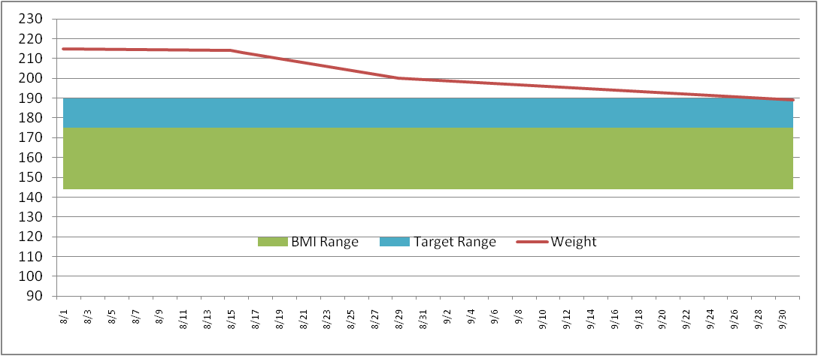
Enter in your NEAREST height in Inches (minimum 58 inches)
Height (inches) | 70

Then enter your target weight range minimum and maximum
Target Weight
Min | 70
Max | 90

Then fill in your last and most current weigh in dates and weight
Date | Weight | BMI Low | BMI Range | Target Low | Target Range
2023-09-10 | 55 | 136 | 36 | 175 | 10
2023-10-09 | 59

This will then build your chart ==================================>
* Current weight line (Red line)
* Target weight range (Blue band)
* Normal BMI weight range (Green band)
The Chart is dynamic and will keep expanding for every date/weight you enter

WEIGHT DETAILS
Date | Weight | BMI Low | BMI Range | Target Low | Target Range |  | >= 58 Inches
2023-09-10 | 55 | 136 | 35 | 70 | 20 | Height (inches) | 70
2023-09-15 | 55 | 136 | 35 | 70 | 20 | Target Weight | 5 ft 10 in | Normal BMI Range
2023-09-18 | 55 | 136 | 35 | 70 | 20 | Min | 70 | Min | 132
2023-09-20 | 55 | 136 | 35 | 70 | 20 | Max | 90 | Max | 167
2023-09-24 | 55 | 136 | 35 | 70 | 20
2023-09-27 | 55 | 136 | 35 | 70 | 20 | Current Weight | 59 | Current Weight | 59
2023-09-30 | 57 | 136 | 35 | 70 | 20 | Starting Weight | 55 | Previous Weight | 58
2023-10-03 | 57 | 136 | 35 | 70 | 20 | Weight Loss | 4 | Weight Loss | 1
2023-10-05 | 57 | 136 | 35 | 70 | 20
2023-10-07 | 58 | 136 | 35 | 70 | 20
2023-10-09 | 59 | 136 | 35 | 70 | 20
WEIGHT DETAILS

WEIGHT CHART
WEIGHT CHART
 | Weight | Target Low | Target Range
9/10/2023 | 55 | 70 | 20
9/15/2023 | 55 | 70 | 20
9/18/2023 | 55 | 70 | 20
9/20/2023 | 55 | 70 | 20
9/24/2023 | 55 | 70 | 20
9/27/2023 | 55 | 70 | 20
9/30/2023 | 57 | 70 | 20
10/3/2023 | 57 | 70 | 20
10/5/2023 | 57 | 70 | 20
10/7/2023 | 58 | 70 | 20
10/9/2023 | 59 | 70 | 20

DASHBOARD
BMI WEIGHT DASHBOARD

WEIGHT DETAILS
 | Weight | BMI Range | Target Low | Target Range
9/10/2023 | 55 | 35 | 70 | 20
9/15/2023 | 55 | 35 | 70 | 20
9/18/2023 | 55 | 35 | 70 | 20
9/20/2023 | 55 | 35 | 70 | 20
9/24/2023 | 55 | 35 | 70 | 20
9/27/2023 | 55 | 35 | 70 | 20
9/30/2023 | 57 | 35 | 70 | 20
10/3/2023 | 57 | 35 | 70 | 20
10/5/2023 | 57 | 35 | 70 | 20
10/7/2023 | 58 | 35 | 70 | 20
10/9/2023 | 59 | 35 | 70 | 20
WEIGHT CHART
 | Weight | Target Low | Target Range
9/10/2023 | 55 | 70 | 20
9/15/2023 | 55 | 70 | 20
9/18/2023 | 55 | 70 | 20
9/20/2023 | 55 | 70 | 20
9/24/2023 | 55 | 70 | 20
9/27/2023 | 55 | 70 | 20
9/30/2023 | 57 | 70 | 20
10/3/2023 | 57 | 70 | 20
10/5/2023 | 57 | 70 | 20
10/7/2023 | 58 | 70 | 20
10/9/2023 | 59 | 70 | 20

